Sheet1
DATE | DESCRIPTION | QUANTITY | PRICE | BILLS | SUBTOTAL | TOTAL
1-Dec-2025 | TUNA | 7.5 | IDR 115,000 | 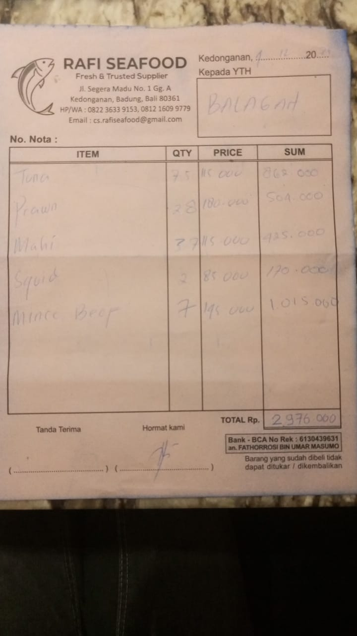 | IDR 862,000 | IDR 2,976,000
 | PRAWN | 2.8 | IDR 180,000 |  | IDR 504,000
 | MAHI | 3.7 | IDR 115,000 |  | IDR 425,000
 | SQUID | 2 | IDR 85,000 |  | IDR 170,000
 | MINCE BEEF | 7 | IDR 145,000 |  | IDR 1,015,000
5-Dec-2025 | SALMON | 5.6 | IDR 375,000 | 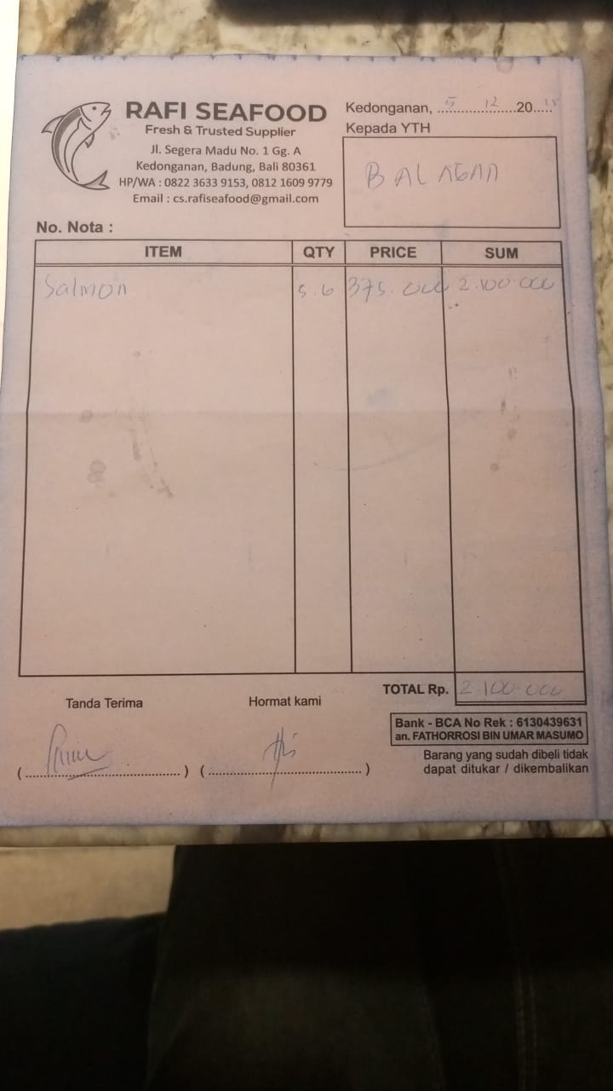 | IDR 2,100,000 | IDR 2,100,000
6-Dec-2025 | SQUID CUBE | 1 | IDR 85,000 | 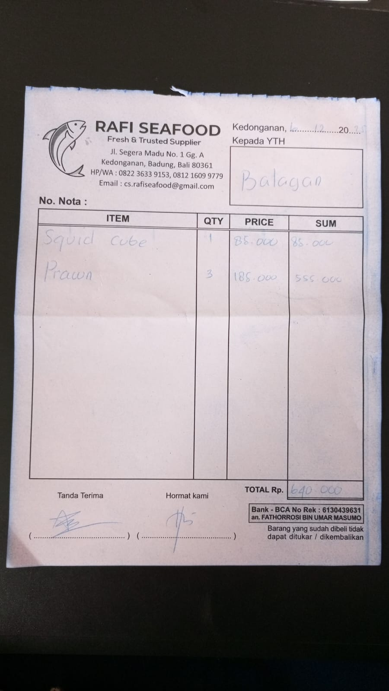 | IDR 85,000 | IDR 640,000
 | PRAWN | 3 | IDR 185,000 |  | IDR 555,000
10-Dec-2025 | PRAWN | 3 | IDR 185,000 | 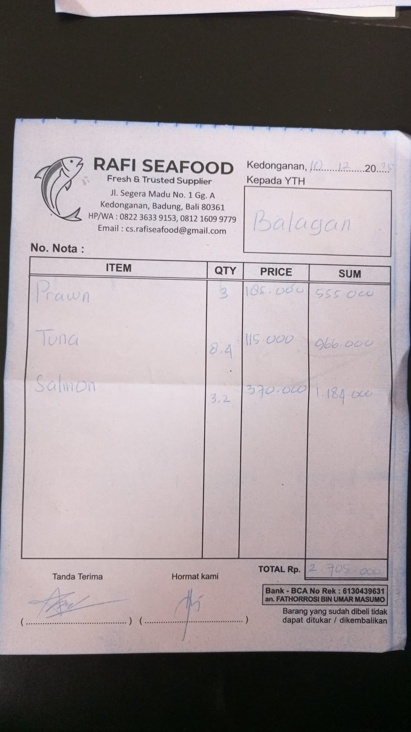 | IDR 555,000 | IDR 2,705,000
 | TUNA | 8.4 | IDR 115,000 |  | IDR 966,000
 | SALMON | 3.2 | IDR 370,000 |  | IDR 1,184,000
13-Dec-2025 | SALMON | 3 | IDR 375,000 | 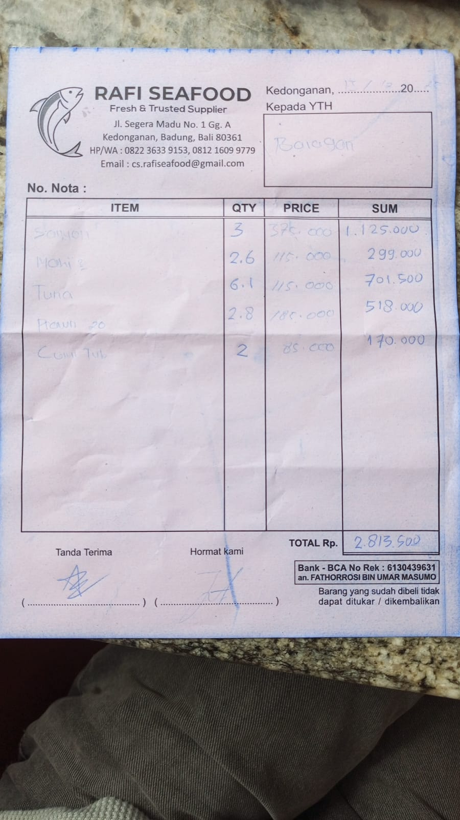 | IDR 1,125,000 | IDR 2,813,500
 | MAHI-MAHI | 2.6 | IDR 115,000 |  | IDR 299,000
 | TUNA | 6.1 | IDR 115,000 |  | IDR 701,500
 | PRAWN 20 | 2.8 | IDR 185,000 |  | IDR 518,000
 | SQUID TUBE | 2 | IDR 85,000 |  | IDR 170,000
14-Dec-2025 | PRAWN | 2 | IDR 185,000 | 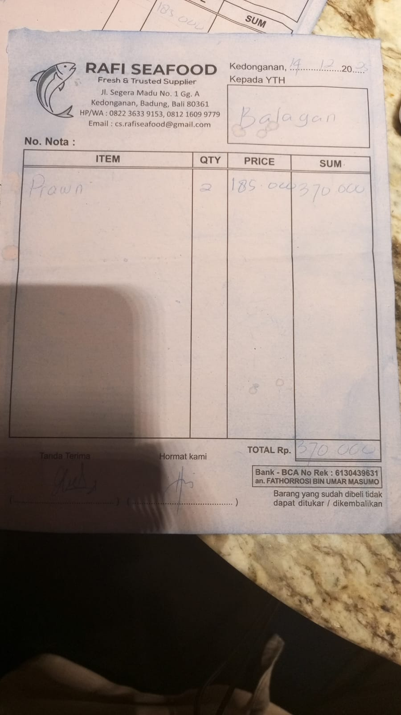 | IDR 370,000 | IDR 370,000
17-Dec-2025 | TUNA | 7 | IDR 115,000 | 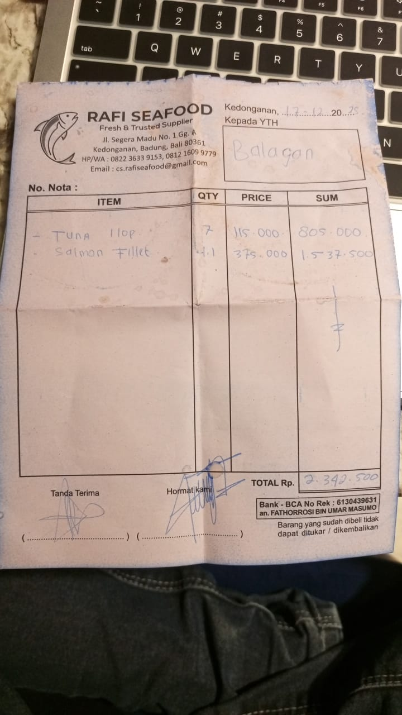 | IDR 805,000 | IDR 2,342,500
 | SALMON FILLET | 4.1 | IDR 375,000 |  | IDR 1,537,500
21-Dec-2025 | PRAWN | 3 | IDR 185,000 | 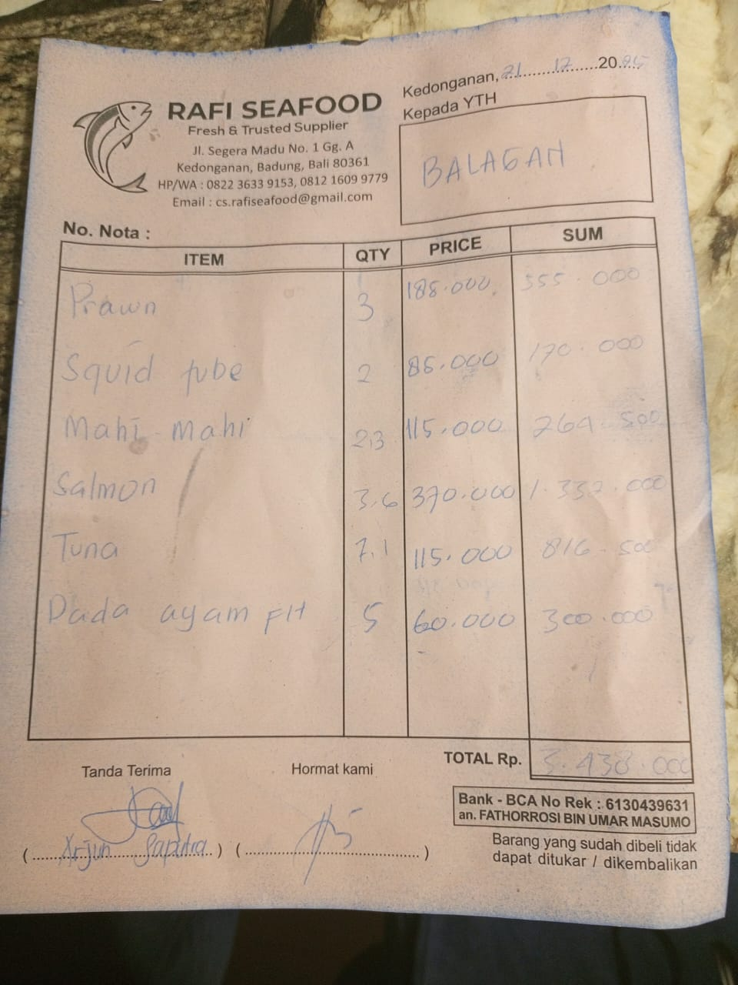 | IDR 555,000 | IDR 3,438,000
 | SQUID TUBE | 2 | IDR 85,000 |  | IDR 170,000
 | MAHI-MAHI | 2.3 | IDR 115,000 |  | IDR 264,500
 | SALMON | 3.6 | IDR 370,000 |  | IDR 1,332,000
 | TUNA | 7.1 | IDR 115,000 |  | IDR 816,500
 | CHICKEN BREAST | 5 | IDR 60,000 |  | IDR 300,000
23-Dec-2025 | SALMON FILLET | 3.3 | IDR 370,000 | 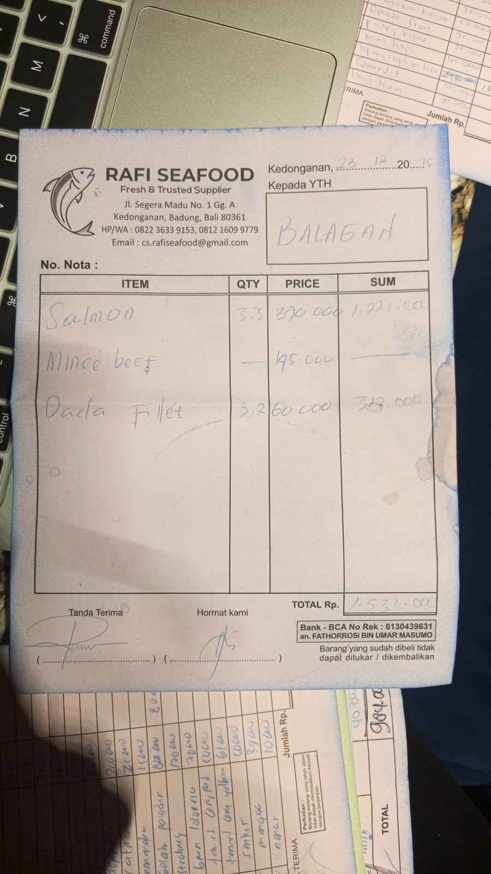 | IDR 1,221,000 | IDR 1,533,000
 | BREAST FILLET | 5.2 | IDR 60,000 |  | IDR 312,000
23-Dec-2025 | MINCE BEEF | 5 | IDR 145,000 | 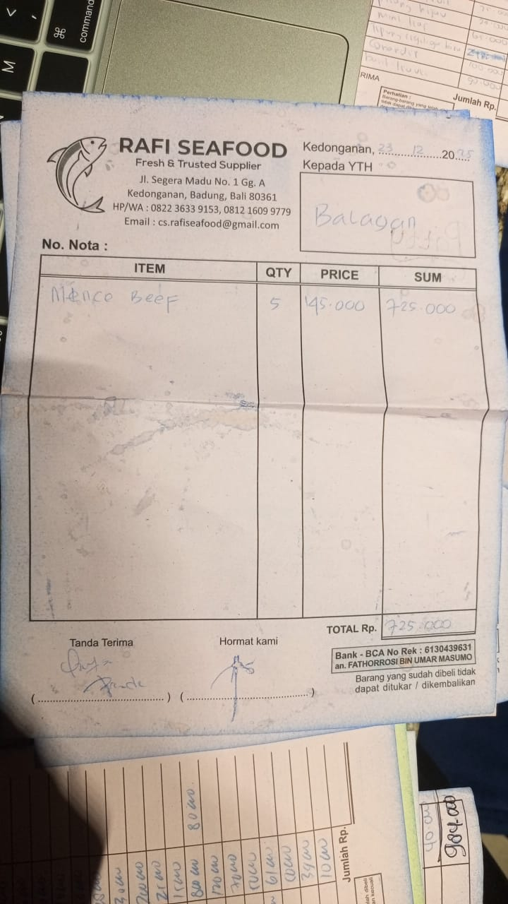 | IDR 725,000 | IDR 725,000
24-Dec-2025 | PRAWN | 3 | IDR 185,000 |  | IDR 555,000 | IDR 2,402,000
 | SALMON | 3.5 | IDR 370,000 |  | IDR 1,295,000
 | TUNA | 4.8 | IDR 115,000 |  | IDR 552,000
25-Dec-2025 | CHICKEN LEG BONELESS | 15 | IDR 65,000 |  | IDR 975,000 | IDR 2,748,500
 | CHICKEN WINGS | 3 | IDR 50,000 |  | IDR 150,000
 | CHICKEN BREAST | 5 | IDR 65,000 |  | IDR 325,000
 | TUNA | 5.5 | IDR 115,000 |  | IDR 632,500
 | SALMON | 1.8 | Rp370,000 |  | IDR 666,000
26-Dec-2025 | PRAWN | 3.9 | Rp185,000 | 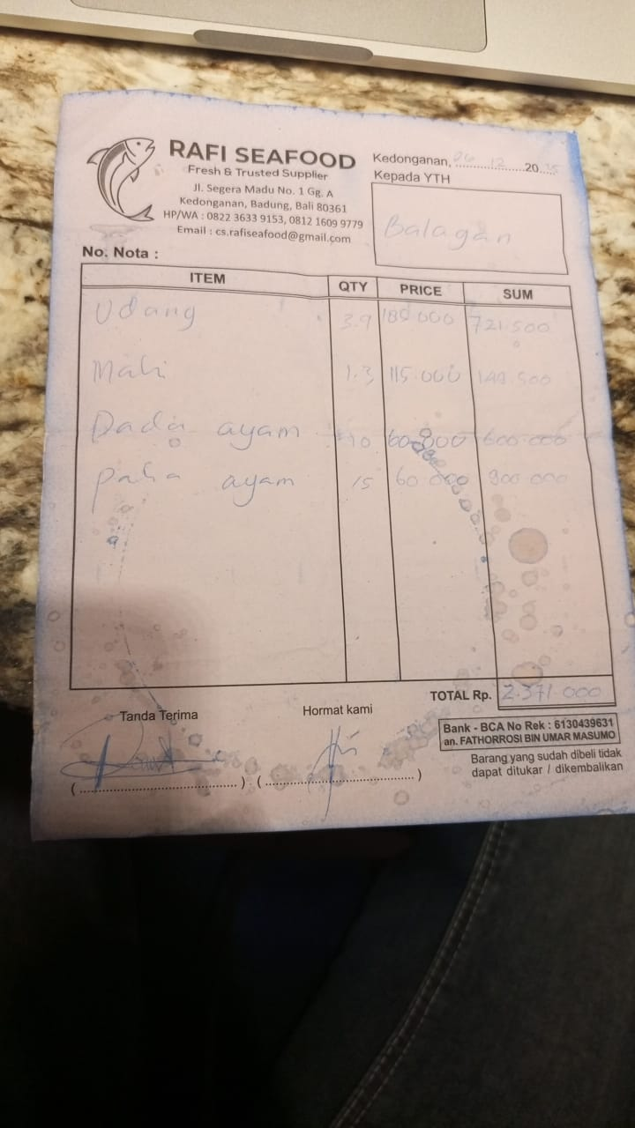 | IDR 721,500 | Rp2,371,000
 | MAHI | 1.3 | Rp115,000 |  | IDR 149,500
 | CHICKEN BREAST | 10 | Rp60,000 |  | IDR 600,000
 | CHICKEN LEG BONELESS | 15 | Rp60,000 |  | IDR 900,000
28-Dec-2026 | MINCE BEEF | 5 | Rp145,000 | 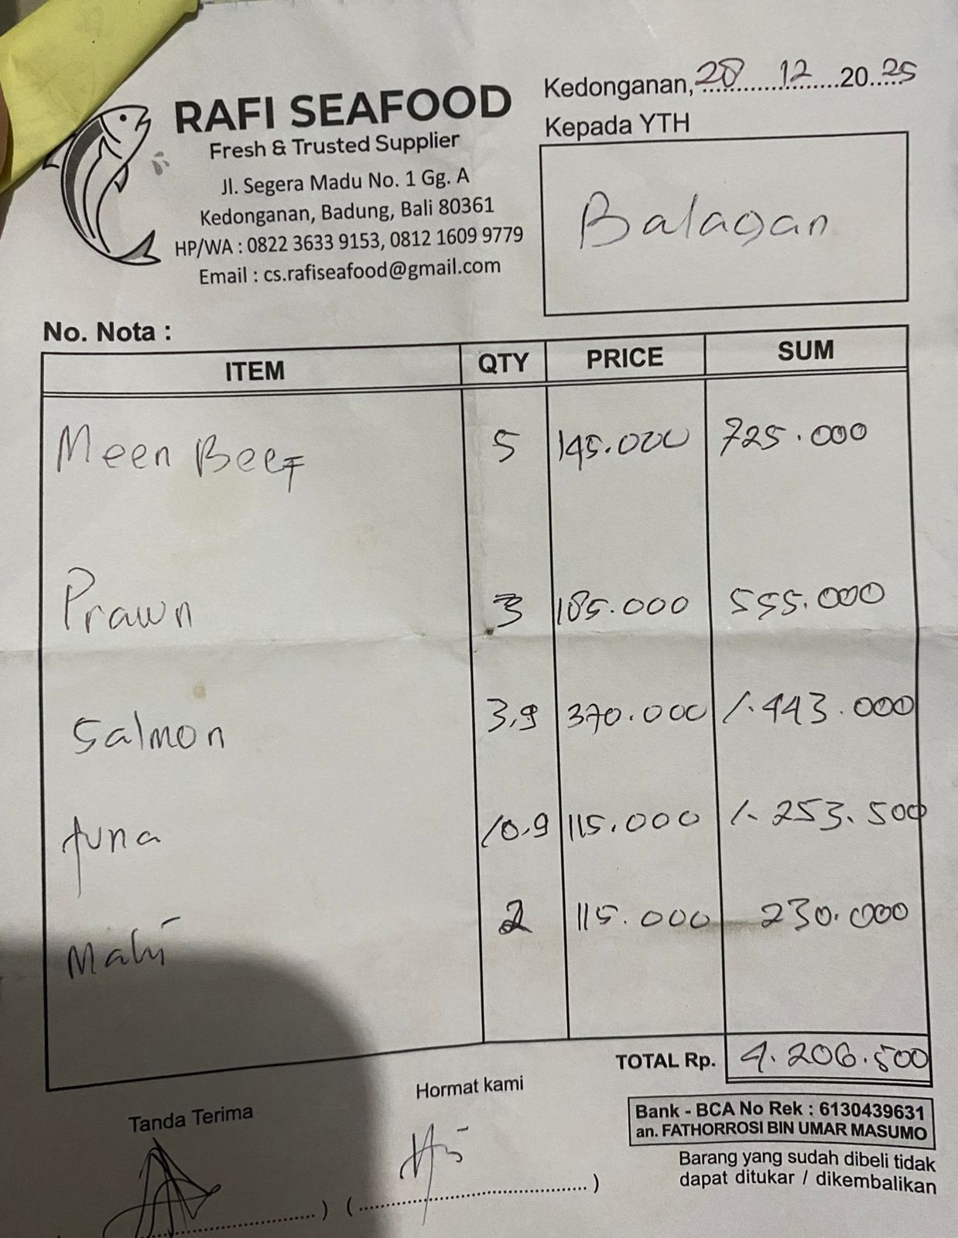 | Rp725,000 | Rp4,206,500
 | PRAWN | 3 | Rp185,000 |  | Rp555,000
 | SALMON | 3.9 | Rp370,000 |  | Rp1,443,000
 | TUNA | 10.9 | Rp115,000 |  | Rp1,253,500
 | MAHI | 2 | Rp115,000 |  | Rp230,000
30-Dec-2025 | SQUID | 2 | IDR 85,000 |  | Rp170,000 | IDR 1,973,000
 | CHICKEN LEG BONELESS | 10 | IDR 65,000 |  | Rp650,000
 | TUNA | 5.6 | IDR 120,000 |  | Rp672,000
 | SALMON | 1.3 | IDR 370,000 |  | Rp481,000
31-Dec-2025 | PRAWN | 6 | IDR 185,000 | 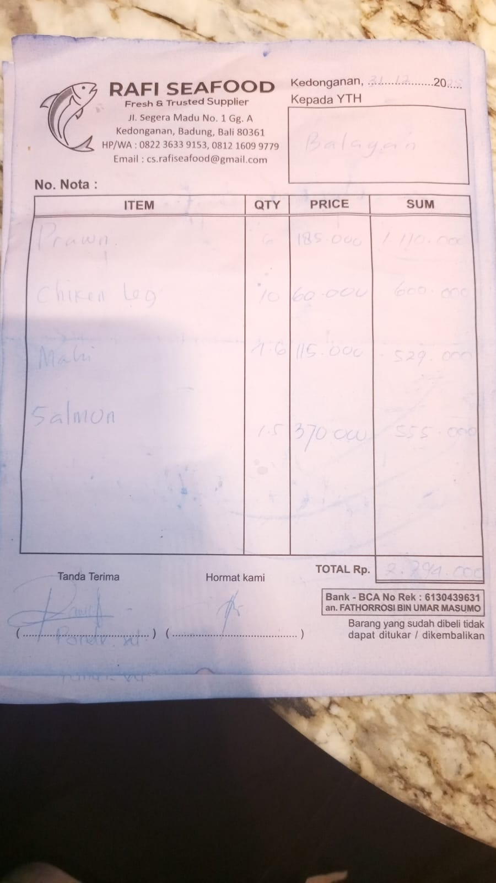 | Rp1,110,000 | IDR 2,794,000
 | CHICKEN LEG BONELESS | 10 | IDR 60,000 |  | Rp600,000
 | MAHI | 4.6 | IDR 115,000 |  | Rp529,000
 | SALMON | 1.5 | IDR 370,000 |  | Rp555,000

 |  |  | Rp36,138,000

